Registration
 | LOUISIANA DECA SPORTS & ENTERTAINMENT
 | MARKETING CAREER CONFERENCE
 | In coordination with the New Orleans Pelicans, NBA Franchise
 | Friday, January 24, 2020 |  |  |  |  |  |  |  |  | vs.
 | 12:30 p.m.- 9:30 p.m. – Smoothie King Arena (next to Superdome)
 | REGISTRATION INVOICE/ORDER FORM
 | The prices below include registration, a conference t-shirt, insurance, competition awards, and a ticket to the Pelicans vs.
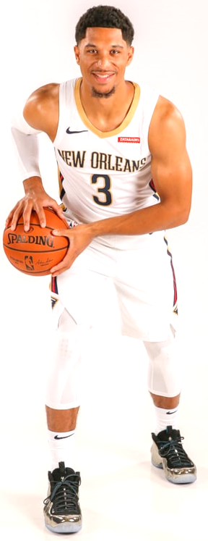
 | Denver Nuggets games to complete the conference experience. Dinner this year will be on your own at one of the many food
 | places in the area (including Dave and Busters and Mothers).
 | DECA members and non-DECA members are invited to attend. You can invite friends, family, other people at your
 | school, etc. If needed, tickets for those just coming to the game that night can be left at Will Call.
 | If you order registration/tickets, you must pay for them once DECA orders them. There are no refunds. Orders are due
 | by December 19. (tickets can be added later but there is a late fee and tickets are subject to availability)
 | Game Seat Types |  |  |  | Registration | Game Ticket Price Each | Quantity | Total for Registration | Total Owed
 | Balcony End |  |  |  | $20.00 | $21.00 |  | $- | $-
 | Balcony Corner |  |  |  | $20.00 | $34.00 |  | $- | $-
 | Balcony Sideline |  |  |  | $20.00 | $45.00 |  | $- | $-
 | Lower Corner/End |  |  |  | $20.00 | $112.00 |  | $- | $-
 | Car Parking (you can pay $10 ahead of time) |  |  |  |  | $10.00 |  | $- | $-
 | Late Fee - Tickets ordered after Dec. 19 must pay $5 per ticket extra-Enter Total Late Order on the above lines in Quantity Box and then in the Quantity Box on this line |  |  |  |  | $5.00 |  | $- | $-
 | TOTAL |  |  |  |  |  | 0 |  | $-
 | Type here the number of bus parking spots that you want us to reserve. Cost is about $25; you pay this amount in cash when you park. DO NOT SEND the BUS parking fee to La. DECA.
 | Conference T-Shirt | Quantity | Teacher
 | Small |  | School Name
 | Medium |  | Email Address
 | Large |  | Cell #
 | X-Large |  |  | Return this form with payment payable to:
 | 2X-Large |  |  | La. DECA, 13967 J R Drive, Walker, LA 70785.
 | 3X-Large |  |  | Louisiana DECA Tax I.D. # 72-6025338.
 | 4X-Large |  |  | Questions? Call: Paul Grethel at (504) 301-7194
 | TOTAL T-shirts | 0 |  |  | List tentative student names on next page

vs.
 | LOUISIANA DECA SPORTS & ENTERTAINMENT
 | MARKETING CAREER CONFERENCE
 | In coordination with the New Orleans Pelicans, NBA Franchise
 | Friday, January 24, 2020
 | 12:30 p.m.- 9:30 p.m. – Smoothie King Arena (next to Superdome)
 | REGISTRATION LIST OF ATTENDEES
 | We recommend that you list everyone's name followed by a hyphen and then their t-shirt size.
# | Attendee's Name-Size |  | # | Attendee's Name-Size |  |  |  | # | Attendee's Name-Size
1 |  |  | 23 |  |  |  |  | 45
2 |  |  | 24 |  |  |  |  | 46
3 |  |  | 25 |  |  |  |  | 47
4 |  |  | 26 |  |  |  |  | 48
5 |  |  | 27 |  |  |  |  | 49
6 |  |  | 28 |  |  |  |  | 50
7 |  |  | 29 |  |  |  |  | 51
8 |  |  | 30 |  |  |  |  | 52
9 |  |  | 31 |  |  |  |  | 53
10 |  |  | 32 |  |  |  |  | 54
11 |  |  | 33 |  |  |  |  | 55
12 |  |  | 34 |  |  |  |  | 56
13 |  |  | 35 |  |  |  |  | 57
14 |  |  | 36 |  |  |  |  | 58
15 |  |  | 37 |  |  |  |  | 59
16 |  |  | 38 |  |  |  |  | 60
17 |  |  | 39 |  |  |  |  | 61
18 |  |  | 40 |  |  |  |  | 62
19 |  |  | 41 |  |  |  |  | 63
20 |  |  | 42 |  |  |  |  | 64
21 |  |  | 43 |  |  |  |  | 65
22 |  |  | 44 |  |  |  |  | 66

PermissionSlip
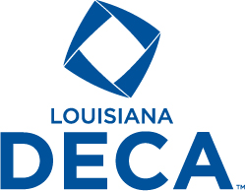
Louisiana Association of DECA |  |  | Paul J. Grethel
dba Louisiana DECA |  |  | State Advisor
13967 J R Drive |  |  | Cell/Texting: 504-301-7194
Walker, LA 70785 |  |  | FAX: 225-683-8610
Website: www.louisianadeca.com |  |  | Email: paul.grethel@gmail.com

"Preparing emerging leaders and entrepreneurs in marketing, finance, hospitality and management."

Code of Conduct and Attendance Permission Form
Louisiana DECA/NBA Pelicans Sports Marketing Career Conference

CODE OF CONDUCT
I agree to follow the Louisiana DECA Code of Conduct while attending the La. DECA Sports Marketing Career Conference. The term “delegate” shall mean any student or adult attending the conference. I, being a delegate at this conference and while attending the conference, will:
1. not deface any property. (The individual or chapter responsible must pay damages to any property or furnishing.)
2. keep my advisors/chaperone(s) informed of my activities and whereabouts at all times.
3. be prompt, alert, and prepared for all activities.
4. be financially prepared for all possibilities.
5. refrain from the use of or possession of alcoholic beverages or narcotics in any form at any time, under any circumstances.
6. attend all speaker presentations and other activities being on time to each activity.
7. follow the appropriate dress code. (For this activity, school uniforms or school-approved attire will be considered appropriate. Jeans are appropriate if your school approves of them; they must be full length and without holes. A t-shirt will be supplied at the event and may be worn also.)
8. follow all these rules and know that any infractions will be documented with the La. DECA Executive Council, and the CT Supervisors, Administrators, and Superintendent of my school district.
9. not bring a bag larger than 14”x14”x6” to the game; limit 1 bag per person & includes backpacks and any other bags.

ATTENDANCE |  | TEACHERS: Keep this with you at conference.
This is to certify that (student’s name)_______________________________________________ whose T-shirt size is _____(S, M, L, XL, 2XL, 3XL, 4XL) has my permission to attend the above named DECA activity. I also do hereby, on behalf of (print student’s name below) __________________________________________________________________ absolve and release the school officials, the DECA chapter advisors and the assigned Louisiana DECA staff from any claims for personal injuries or illness which might be sustained while he/she is en route to and from or during the DECA-sponsored activity. I also give La. DECA permission to publish any pictures taken of my child while participating at this event in newspapers or on the La. DECA website.

EMERGENCY
I authorize the advisor to secure the services of a physician or hospital, and to incur the expenses for necessary services in the event of accident or illness, and I will provide for the payment of these costs. (Please write any special medical needs, medicines or allergies to medicines that your child has at the bottom of this note under your phone #.)

We have read and agree to abide by the DECA Code of Conduct. We also agree that the school Officials, the DECA chapter advisors, the state/province DECA staff, or the Conference Conduct Committee, have the right to send (student’s name)________________________________home from the activity at our expense, provided that he/she has violated the Code of Conduct and/or his/her conduct has become a detriment.

__________________________________________ ______________________________________
Student Signature | Chapter Advisor Signature

__________________________________________ ______________________________________
Parent/Guardian Signature |  | School Official Signature

ArenaArea
